Sheet1
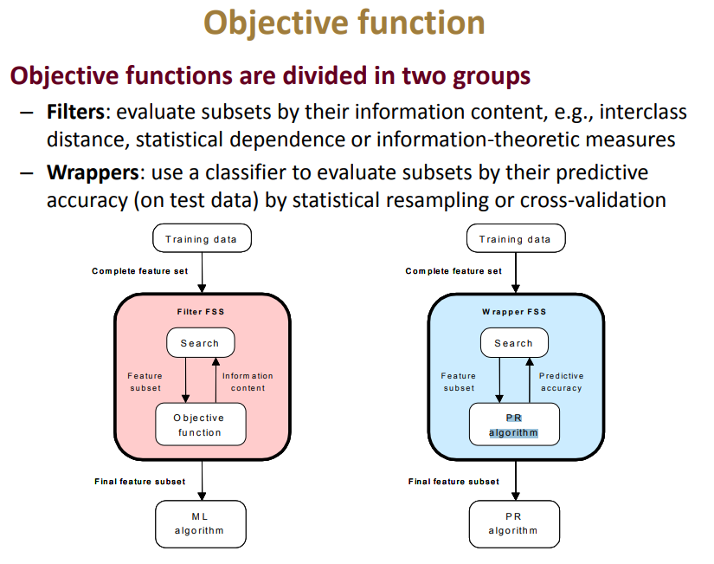
 | CLASSIFICATION OF FEATURE EXTRACTION AND FEATURE SELECTION METHODS |  | Today's reports Sep 26th, 2018
 | Paper: Machine Intelligence in Health care and Medical Cyber Physical Systems: A Survey

Feature Extraction Methods | How it works (Transform the existing features into a lower dimensionl space) | References

Principal component analysis(PCA) | Dimension reduction technique, it converts a set of correlated data points into a | [17], [83], [84]
 | set of linearly uncorrelated variables through orthogonal transformation.
Kernel PCA | It performs nonlinear projection using an appropriately defined functions(polynomials, Gaussian) | [85], [86]

Canonical correlation analysis(CCA) | It analyzes the correlation between two multivariate random variables | [87], [88]

Linear Discriminant Analysis(LDA) | It projects data points to a lower dimension space and selects the projection that gives the | [89],[90],[91],[86]
 | separability between different classes
Generalized LDA(GDA) | This is non linear extension of LDA method. Here, first data is moved to a higher dimensional | [92],[93], [94]
 | space and then standard LDA is applied
Clustering | It performs mapping ssimilar data points to the same group(i.e. cluster) and dissimilar data | [95], [96]
 | to different clusters
Multidimensional scaling (MDS) | It helps in understanding of similarity among individuals data points in a dataset. It finds a low | [97], [98],[99]
 | dimensional space such that the Euclidean distances among a set of data points are able to reproduce
 | the distance matrix in the original space
ISOMmap | It is nonlinear dimensionality reduction method, which discloses the underlying global geometry of | [100], [101],[102]
 | a dataset
Artificial Neural Networks | AAN like Auto-encoders, deep belief networks, convolutional neural networks are used. It reduces the | [103],[104],[105],[106]
 | dimensionality of the data by learning representation which is used aas features

Feature Selection Method | How it works (Select a subset of the existing features without a transformation) | References

Sequential Backward Selection(SBS) | It starts with a complete feature set and sequentially removes the feautres that reduces a certain metric | [111],[112],[113]
 | the least
Sequential Forward Selection(SFS) | It starts with an empty set and continues to include features in the set to maximize a certain metric | [66],[110],[113], [114], [115],[116]
 | associated with the current subset
PLUS-L MINUS-R SELECTION (LRS) | Generalization of the SFS and SBS methods, where L or R features are added or removed depending on | [117]
 | whether the set is empty or full.
Sequential forward floating selection (SFFS) | It includes or eliminates changing number of features at each step. After each forward step, SFSS does | [70],[118], [119]
 | backward steps as long as the objective function increases
Sequential Backward floating selection (SBFS) | It performs forward steps after each backward step as long as objective function increases | [118],[120]

Correlation-Based Feature Selection(CFS) | It selects subsets of features that are not correlated to each other, but are highly correlated with the | [115],[121],[122]
 | class of interest.
Genetic Algorithms(GA) | It starts with a population of individual solutions and selects at random a subset of them to produce children. | [123],[124],[125],[126]
 | The population evolves toward an optimal solution.

Feature selection requirements:
1. search stragey to select candidate features
2. an objective function to evaluate
Feature selection Algorithms:
1. Filter methods 2. Wrapper methods 3. Hybrid
Features are of mainly two types:
1. Application-Independent features
(i) Temporal features (e.g., mean, standard deviation, median, root mean square, correlation)
(ii) Spectral features (Signal power frequecy, median frequency, spectral entropy)
(iii) Cepstral features (sensor displacement, skin muscle activity)
2. Application-Specific Features
(i). ECG Waveform features e.g., QT and RR Intervals
(ii) EEG Waveform features e.g., Delta waves
(iii) Height and Weight
3. Application Specific Features Fusing
(i) Bazett's formula/Frederica's formula :Normalization to the heart rate gives a more informative
feature
(ii) Discrete Wavelet analysis of EEG signals : It provides features bothin frequency and time
-domain
(iii) Body Mass Index(Quetelet index)/Corpulence: Used weight and height and normalize
weight with regard to the height of an individual

